Sheet1
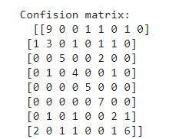
 | Model Comparision (using K-fold Cross Validation Score)

 | Logistic Regression: 0.683333
 | Multilayer Perceptron: 0.714815

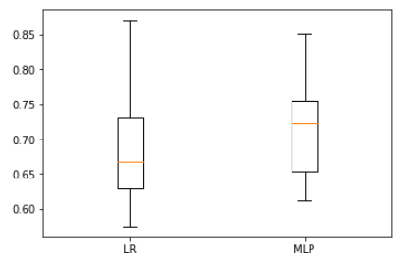

 | BOXPLOT for k -fold cross validation score

Multulayer perceptron score is more so it is preferred over logistic regression

LOGISTIC REGRESSION REPORT

CLASSIFICATION REPORT

labels | precision | recall | support
0 | 0.82 | 0.75 | 0.78 | 12
1 | 0.83 | 0.71 | 0.77 | 7
2 | 0.71 | 0.71 | 0.71 | 7
3 | 0.44 | 0.67 | 0.53 | 6
4 | 0.83 | 1 | 0.91 | 5
5 | 0.78 | 1 | 0.88 | 7
6 | 0.4 | 0.4 | 0.4 | 5
7 | 0.86 | 0.55 | 0.67 | 11

accuracy |  |  | 0.72 | 60
macro avg | 0.71 | 0.72 | 0.71 | 60
weighted avg | 0.74 | 0.72 | 0.72 | 60

Screenshot of classification report from colab

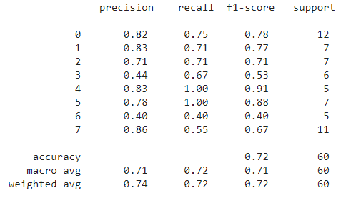

CONFUSION MATRIX

 | Actual (↓) / Predicted(→) | ColtsFoot | Daffodil | Daisy | Dandelion | Fritillary | Snowdrop | Sunflower | Tigerlily
 | ColtsFoot | 9 | 0 | 0 | 2 | 1 | 0 | 0 | 0
 | Daffodil | 0 | 5 | 0 | 1 | 0 | 0 | 1 | 0
 | Daisy | 0 | 0 | 5 | 0 | 0 | 2 | 0 | 0
 | Dandelion | 0 | 1 | 0 | 4 | 0 | 0 | 1 | 0
 | Fritillary | 0 | 0 | 0 | 0 | 5 | 0 | 0 | 0
 | Snowdrop | 0 | 0 | 0 | 0 | 0 | 7 | 0 | 0
 | Sunflower | 0 | 0 | 1 | 1 | 0 | 0 | 2 | 1
 | Tigerlily | 2 | 0 | 1 | 1 | 0 | 0 | 1 | 6

Screenshot of confusion matrix from colab

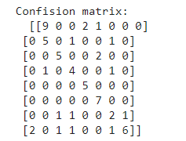

MULTILAYER PERCEPTRON

CLASSIFICATION REPORT

labels | precision | recall | f1-score | support
0 | 0.75 | 0.75 | 0.75 | 12
1 | 0.6 | 0.43 | 0.5 | 7
2 | 0.83 | 0.71 | 0.77 | 7
3 | 0.5 | 0.67 | 0.57 | 6
4 | 0.83 | 1 | 0.91 | 5
5 | 0.7 | 1 | 0.82 | 7
6 | 0.33 | 0.4 | 0.36 | 5
7 | 0.86 | 0.55 | 0.67 | 11

accuracy |  |  | 0.68 | 60
macro avg | 0.68 | 0.69 | 0.67 | 60
weighted avg | 0.7 | 0.68 | 0.68 | 60

Screenshot of classification report from colab

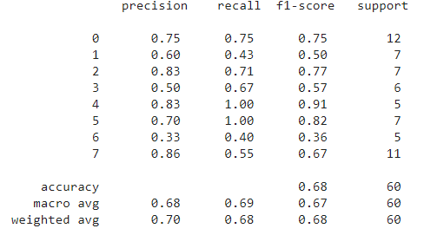

CONFUSION MATRIX

 | Actual (↓) / Predicted(→) | ColtsFoot | Daffodil | Daisy | Dandelion | Fritillary | Snowdrop | Sunflower | Tigerlily
 | ColtsFoot | 9 | 0 | 0 | 1 | 1 | 0 | 1 | 0
 | Daffodil | 1 | 3 | 0 | 1 | 0 | 1 | 1 | 0
 | Daisy | 0 | 0 | 5 | 0 | 0 | 2 | 0 | 0
 | Dandelion | 0 | 1 | 0 | 4 | 0 | 0 | 1 | 0
 | Fritillary | 0 | 0 | 0 | 0 | 5 | 0 | 0 | 0
 | Snowdrop | 0 | 0 | 0 | 0 | 0 | 7 | 0 | 0
 | Sunflower | 0 | 1 | 0 | 1 | 0 | 0 | 2 | 1
 | Tigerlily | 2 | 0 | 1 | 1 | 0 | 0 | 1 | 6

Screenshot of confusion matrix from colab

